Risk Levels
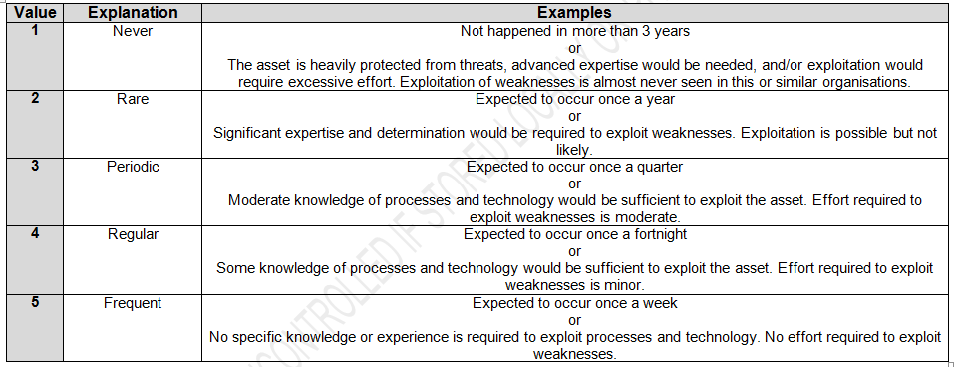
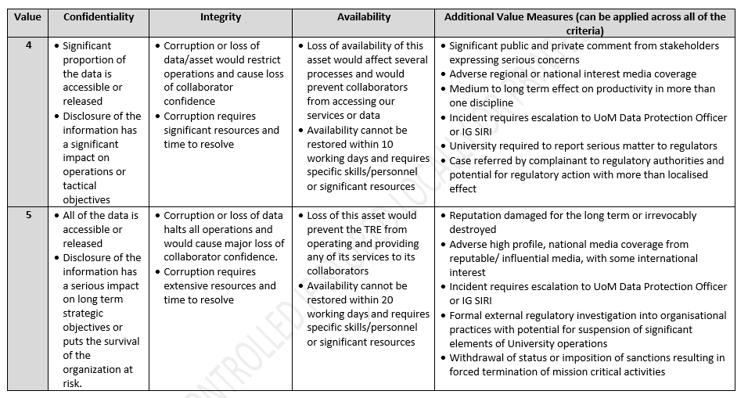
 |  |  |  |  |  |  |  | Set the scores for the transition between risk categories in the table below.
 |  |  | Likelihood
 |  |  | 1 | 2 | 3 | 4 | 5 |  | Score > | Table 1: CIA score definition guidance Taken from ISMS-02-05 Risk Management Process
 | Impact | 5 | 5 | 10 | 15 | 20 | 25 | Very High | 19
 |  | 4 | 4 | 8 | 12 | 16 | 20 | High | 13
 |  | 3 | 3 | 6 | 9 | 12 | 15 | Medium | 6
 |  | 2 | 2 | 4 | 6 | 8 | 10 | Low | <6
 |  | 1 | 1 | 2 | 3 | 4 | 5

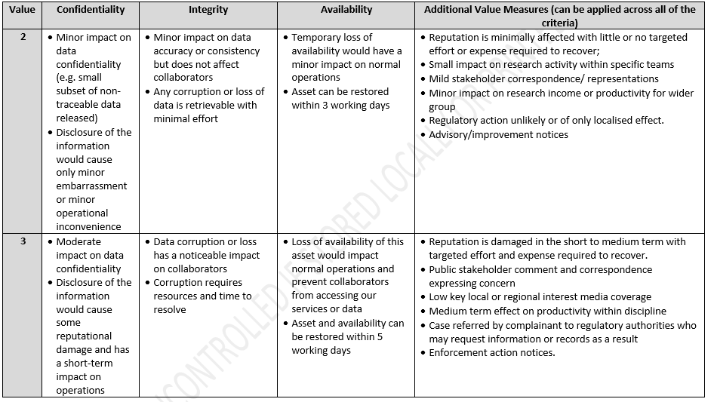
 | Risk responses |  |  | Definition
 | Avoid |  |  | Remove the risk entirely
 | Reduce |  |  | Reduce probability of impact
 | Transfer |  |  | Pass the risk to a third party/Insurance
 | Share |  |  | Share with third party
 | Accept |  |  | Monitor only
 | Contingency Plan |  |  | Monitor with contingency plan

Table 2: Likelihood: Taken from ISMS-02-05 Risk Management Process

